New_meta_Com_Aug
Study | Ratio | Lower 95%CI | Upper 95%CI | Type | Category | Drug | Doses | Parameter
Bauer 2009 (ONYX) | 1.22 | 1.01 | 1.28 | RR | Augmentation | Quetiapine | Mixed | Response
Dunner 2007 | 2.5 | 0.6 | 10.34 | RR | Augmentation | Ziprasidone | Mixed | Response
Durgam 2016 | 1.27 | 1.07 | 1.52 | RR | Augmentation | Cariprazine | Mixed | Response
El-Khalili 2010 (PEARL) | 1.24 | 1.01 | 1.52 | RR | Augmentation | Quetiapine | Mixed | Response
Ferreri 2001 | 1.7 | 1.03 | 2.78 | RR | Combination | Mianserin | Fixed | Response
Kessler 2018 | 1.22 | 0.97 | 1.54 | RR | Combination | Mirtazapine | Fixed | Response
McIntyre 2007 | 1.75 | 0.87 | 3.52 | RR | Augmentation | Quetiapine | Mixed | Response
Papakostas 2015 | 1.71 | 0.97 | 3 | RR | Augmentation | Ziprasidone | Mixed | Response
Shelton 2001 | 6 | 0.87 | 41.21 | RR | Augmentation | Olazapine | Fixed | Response
Zhou 2015 (NMA) | 1.56 | 1.05 | 2.55 | OR | Augmentation | Lithium | Mixed | Response
Bauer 2009 (ONYX) | 1.42 | 1.03 | 1.94 | RR | Augmentation | Quetiapine | Mixed | Remission
Dunner 2007 | 2.5 | 0.31 | 19.99 | RR | Augmentation | Ziprasidone | Mixed | Remission
Durgam 2016 | 1.07 | 0.86 | 1.33 | RR | Augmentation | Cariprazine | Mixed | Remission
El-Khalili 2010 (PEARL) | 1.62 | 1.17 | 2.24 | RR | Augmentation | Quetiapine | Mixed | Remission
Ferreri 2001 | 2.38 | 1.09 | 5.16 | RR | Combination | Mianserin | Fixed | Remission
Kessler 2018 | 1.21 | 0.88 | 1.65 | RR | Combination | Mirtazapine | Fixed | Remission
McIntyre 2007 | 1.8 | 0.69 | 4.72 | RR | Augmentation | Quetiapine | Mixed | Remission
Papakostas 2015 | 1.23 | 0.77 | 1.96 | RR | Augmentation | Ziprasidone | Mixed | Remission
Zhou 2015 (NMA) | 1.46 | 0.85 | 2.91 | OR | Augmentation | Lithium | Mixed | Remission

 |  |  | Response |  |  |  |  |  | Remission

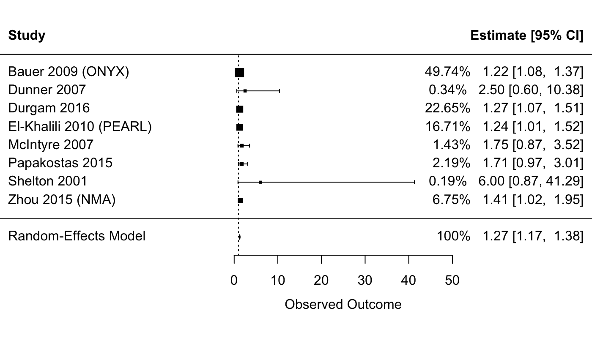
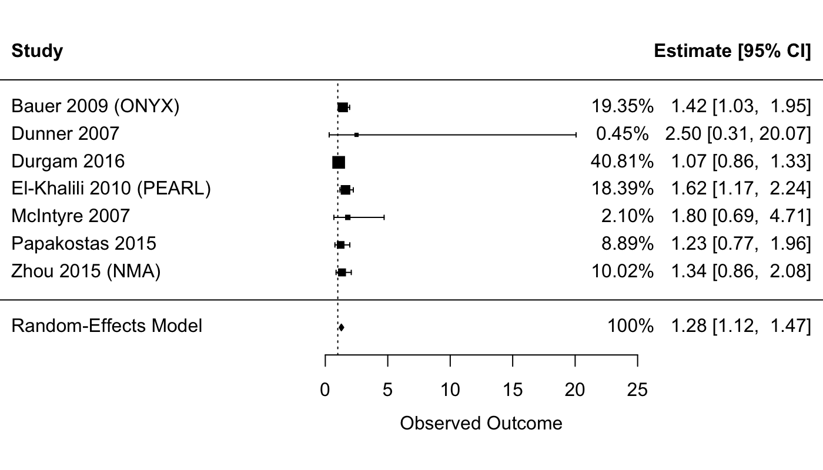

AUG

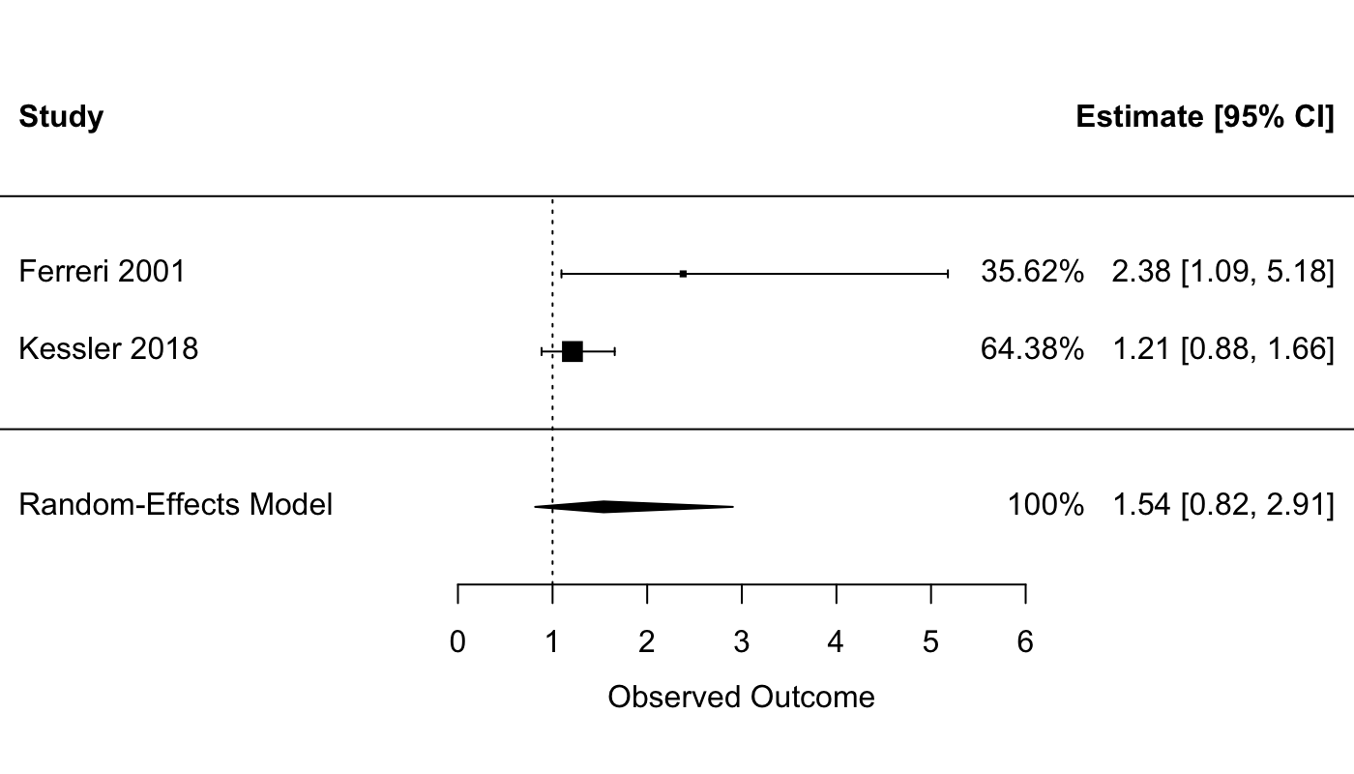
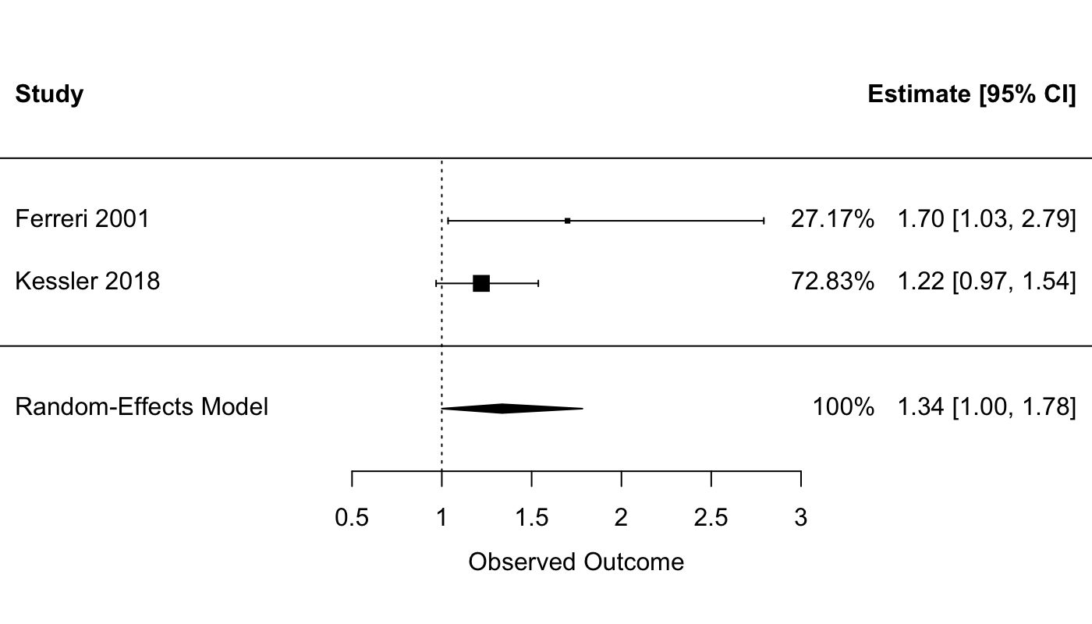

COM

New_meta_ESK
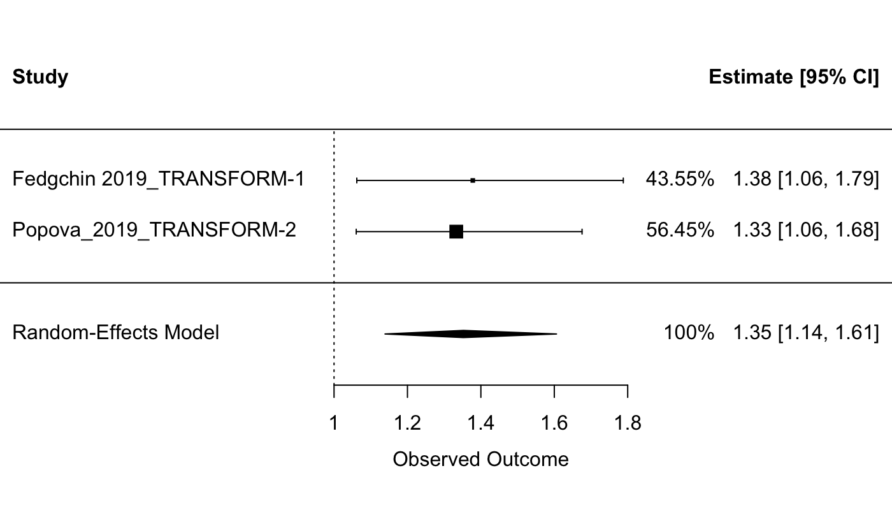
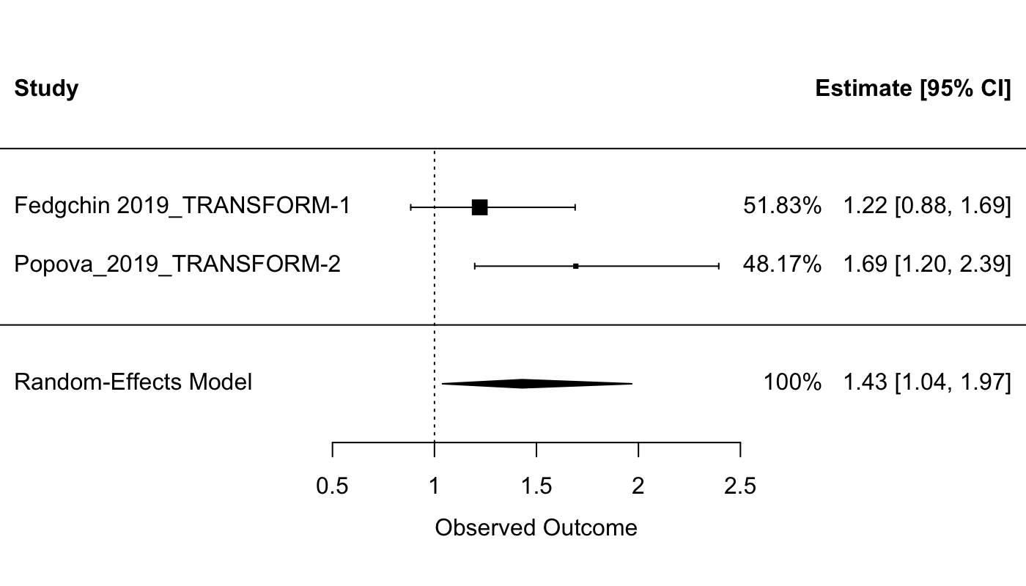
Study | RR | Lower | Upper | type
Fedgchin 2019_TRANSFORM-1 | 1.378 | 1.062 | 1.788 | Response
Popova_2019_TRANSFORM-2 | 1.333 | 1.06 | 1.675 | Response
Fedgchin 2019_TRANSFORM-1 | 1.222 | 0.884 | 1.69 | Remission
Popova_2019_TRANSFORM-2 | 1.693 | 1.197 | 2.393 | Remission

 |  |  | Response |  | Remission

